Data Reference
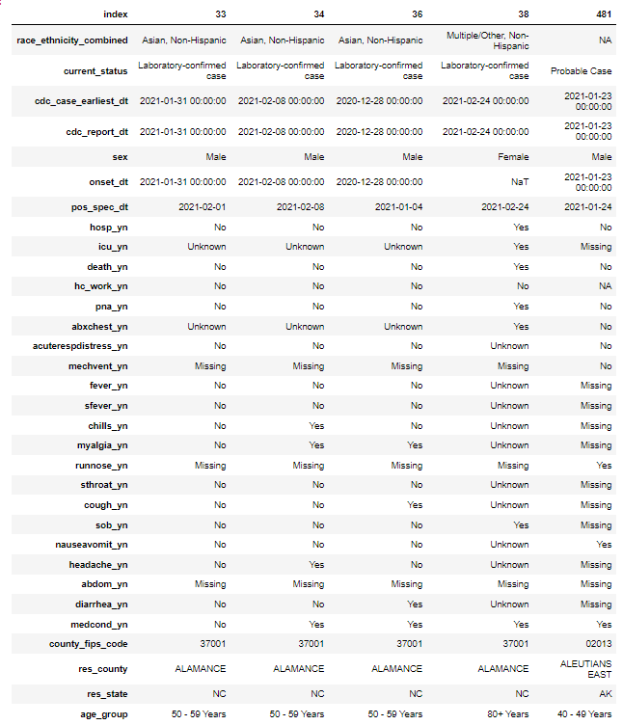
Screenshot from jupyter notebook (df.head().T)

